Sheet2
More Than One | Views | Testing Notes | SP Option | To | CC
Koordinator after Superior Approved | ApprovalHeader | OKAY | Koordinator after Superior Approved | Koor | Pelapor
Reviewer after Appointed | HeaderKoordinator | OKAY | Reviewer after Appointed | Reviewer | Pelapor, Koor
Koordinator after Reviewer Submit | ReviewerHeader | OKAY | Koordinator after Reviewer Submit | Koor | Pelapor, Reviewer
QM after Koordinator Approve Reviewer | ReviewerDataTable | 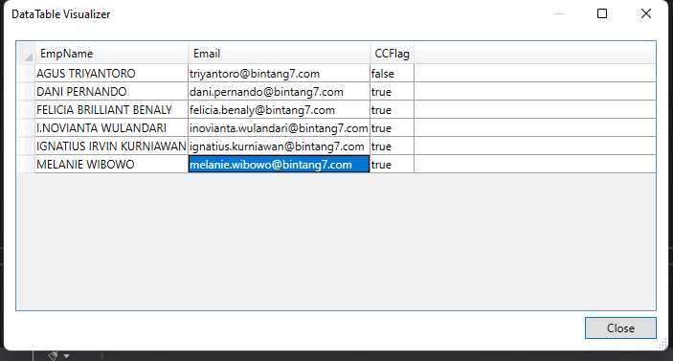 Kepanggil pas mencet tombol (TO EVALUATOR). harus nambah reviewer ambil datanya dari deviation_reviewer dari niknya (done) | QM after Koordinator Approve Reviewer | Evaluator(QM) | Pelapor, Reviewer, Koor
Koordinator after QM Approve | QMHeader | OKAY | Koordinator after QM Approved | Koor | Pelapor, Reviewer, Evaluator
 | QualityManagerPartialView | OKAY
Group PIC after Appointed | UpdatePIC | OKAY | Group PIC after Appointed | Group PIC | Koor, Pelapor, Reviewer, Evaluator
 | AssignPIC | OKAY
PIC after Superior Rejected Cost || PIC after Division Head Rejected Cost | HasilRemedial | OKAY | Group PIC after Appointed | Group PIC | Koor, Pelapor, Reviewer, Evaluator
Koordinator after PIC Submit ||Koordinator after Superior PIC Approved Cost | PICHeader | OKAY | Koordinator after Superior Approved | Koor | Pelapor, Reviewer, Evaluator.. (kalo ga lewat superior: PIC doang), (kalo lewat superior: PIC + Superior), (kalo lewat div head: PIC + Superior + Div head)
QM after Koordinator Verifikasi OK | VerifikasiTindakanRemidial | OKAY | QM after Koordinator Verifikasi OK | Koor | Pelapor, Reviewer, Evaluator, Superior, Div Head
QM after Koordinator Verifikasi Not OK | VerifikasiTindakanRemidial | OKAY | QM after Koordinator Verifikasi OK | Koor | Pelapor, Reviewer, Evaluator, Superior, Div Head
QM PIC Usulan Revisi | PICProposal | OKAY | QM after Koordinator Approve Reviewer | Evaluator(QM) | Pelapor, Reviewer, Koor

One | Views | Testing Notes | SP Option | To | CC
Superior after Form Input | Form/Input, EditDeviationPartialView | OKAY | Form Input | Superior | Koor
Proposer after Superior Reject | SpvPelapor/ApprovalHeader | OKAY | Proposer after Superior Reject | Pelapor | Koor
Reviewer after Koordinator Approved | Koordinator/ReviewerDataTable | 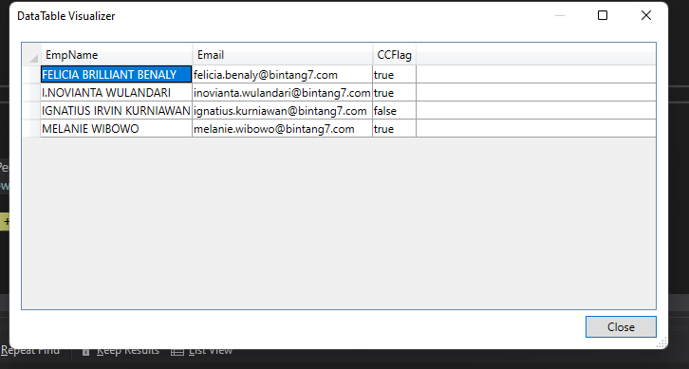 udah bener 4 orang (koornya melanie ama I.novianta) | Reviewer One | Reviewer | Pelapor, Koor
Reviewer after Koordinator Reject | Koordinator/ReviewerDataTable | OKAY | Reviewer One | Reviewer | Pelapor, Koor
PIC after Appointed | CMS/UpdatePIC, Koordinator/AssignPIC | 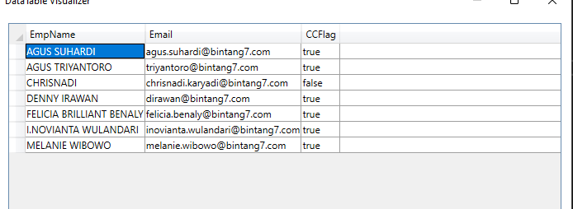 PIC: Chrisnadi, Pelapor: felicia, Koor: melanie + novianta, Reviewer: ?, Evaluator: ? | PIC After Appointed | PIC | Pelapor, Koor, Reviewer, Evaluator
Superior PIC after PIC Submit Cost | PICRemidial/PICHeader | PIC nya jadi yg nge submit aja. OKAY | Superior PIC after PIC Submit Cost | Superior | Pelapor, Koor, Reviewer, Evaluator, PIC
Div Head after Sup PIC Approve Cost | SpvPIC/HasilRemedial | OKAY | Div Head after Sup PIC Approve Cost | Div Head | Pelapor, Koor, Reviewer, Evaluator, Superior
PIC after Superior Rejected Cost | SpvPIC/HasilRemedial | 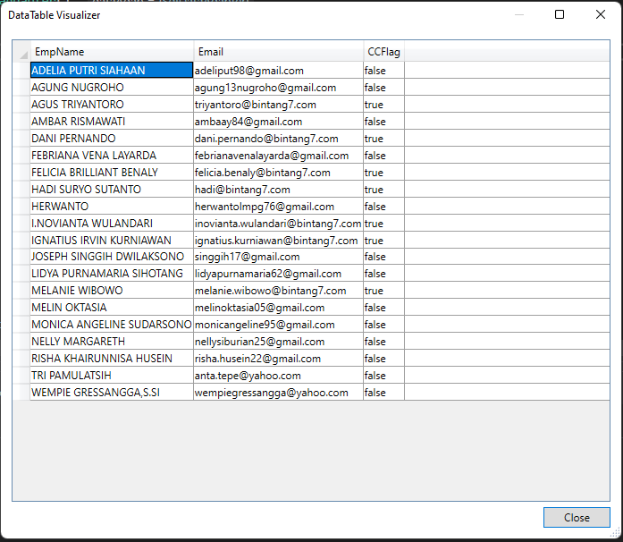 | PIC after Superior Rejected Cost | PIC | Pelapor, Koor, Reviewer, Evaluator, Superior | PIC kirim ke semua org dalam grup
PIC after Division Head Rejected Cost | SpvPIC/HasilRemedial | OKAY | PIC after Superior Rejected Cost | PIC | Pelapor, Koor, Reviewer, Evaluator, Superior
Pelapor after Lanjut CAPA | QualityManager/DisposisiProdukMaterialSistem | OKAY | Pelapor after Lanjut CAPA | Pelapor | SEMUA ORANG | PIC kirim ke yg submit
Pelapor after Tidak Lanjut CAPA | QualityManager/DisposisiProdukMaterialSistem | OKAY | Pelapor after Lanjut CAPA | Pelapor | SEMUA ORANG | PIC kirim ke yg submit
Canceled | Koor/AssignPIC, CloseWithCAPA, HeaderKoordinator, ReviewerDataTable, VerifikasiTindakanRemidial, SpvPelapor/ApprovalHeader | OKAY | Canceled | Pelapor | Koor
Delegasi | Koordinator/Delegasi | OKAY | Delegasi | Evaluator [yg baru + yg lama] | pelapor + koor + reviewer | emg blom masuk PIC
SPV PIC Usulan Revisi | PICRemedial/UsulanRevisi | OKAY | SPV PIC Usulan Revisi | SUPERIOR [atasan PIC] | pelapor + koor + reviewer + evaluator + PIC | PIC kirim ke yg submit
PIC Rejected Usulan Revisi | QualityManager/PICProposal, SpvPIC/PICProposal | OKAY | PIC Rejected Usulan Revisi | PIC | pelapor + koor + reviewer + evaluator + superior
PIC Approved Usulan Revisi by QM | QualityManager/PICProposal | OKAY | PIC Rejected Usulan Revisi | PIC | pelapor + koor + reviewer + evaluator + superior

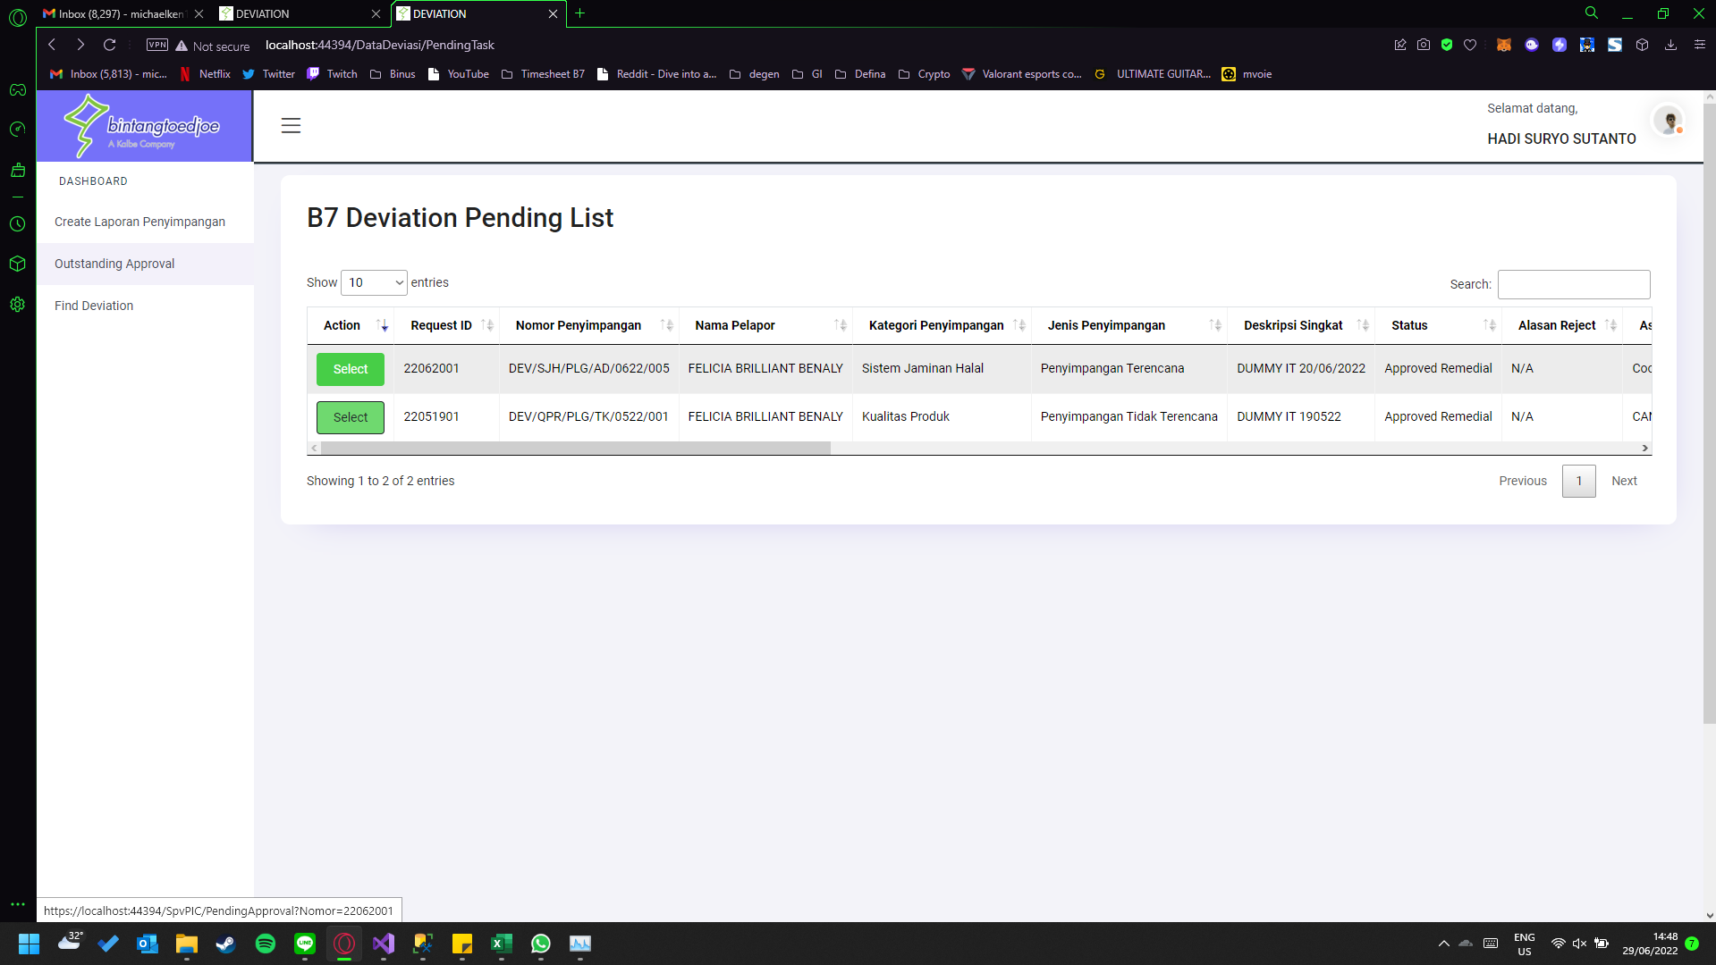

Hadi Suryo sebagai SPV PIC | ----->

 |  |  |  | h

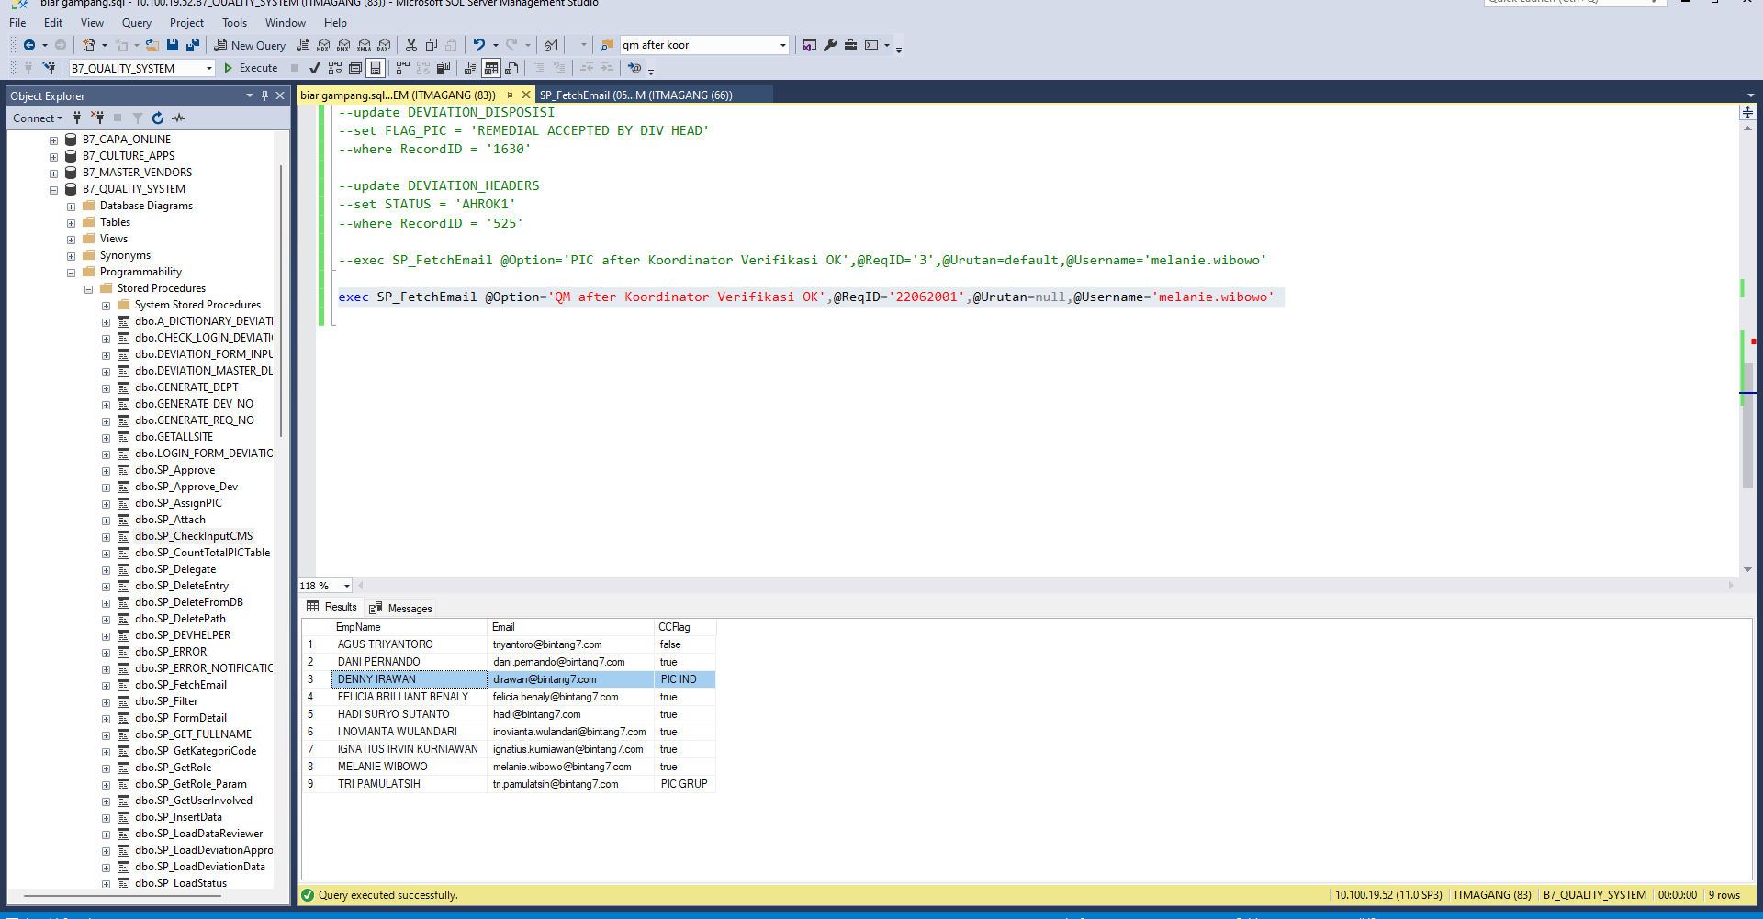

QM after Koordinator Verifikasi OK | ---->

Sheet3
SIT 28 Juni 2022
No | Perubahan | Urutan Pengerjaan | TESTING NOTES 13/07/2022
1 | Tidak bisa download file (yang diupload creator penyimpangan) di halaman koordinator, reviewer | 4 | OKAY
2 | Tidak bisa download file (yang diupload reviewer) oleh koordinator maupun reviewer lain |  | OKAY
3 | Supporting file di reviewer dibuat tidak mandatory (saat ini masih ada tanda bintang meskipun tetap bisa submit tanpa supporting document) | 1 | OKAY
4 | Tombol delete di supporting doc reviewer tidak berfungsi (tidak ada pergerakan) -> meskipun aktualnya terhapus
5 | Alasan Cancel -> di akhir sebaiknya tanda seru (Mohon …… !) | 3 | OKAY | 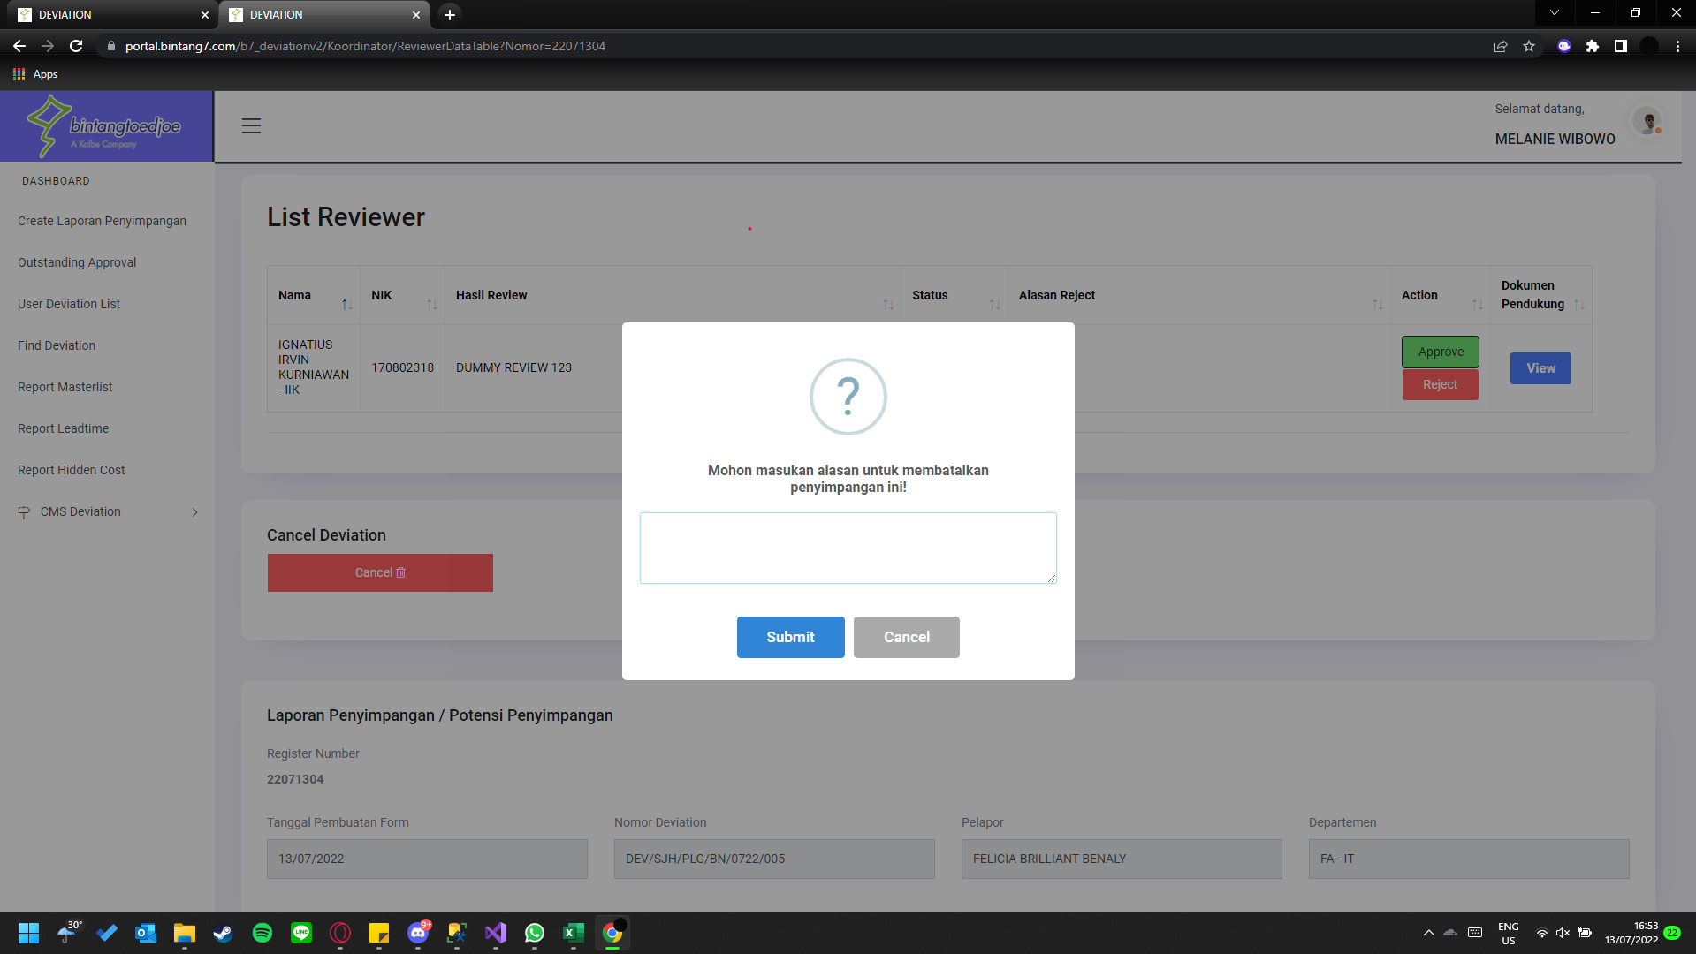
6 | Tidak Perlu Ditindaklanjuti dengan Pengkajian Risiko muncul di Alasan Reject (menu Find) -> test | 5 | OKAY | 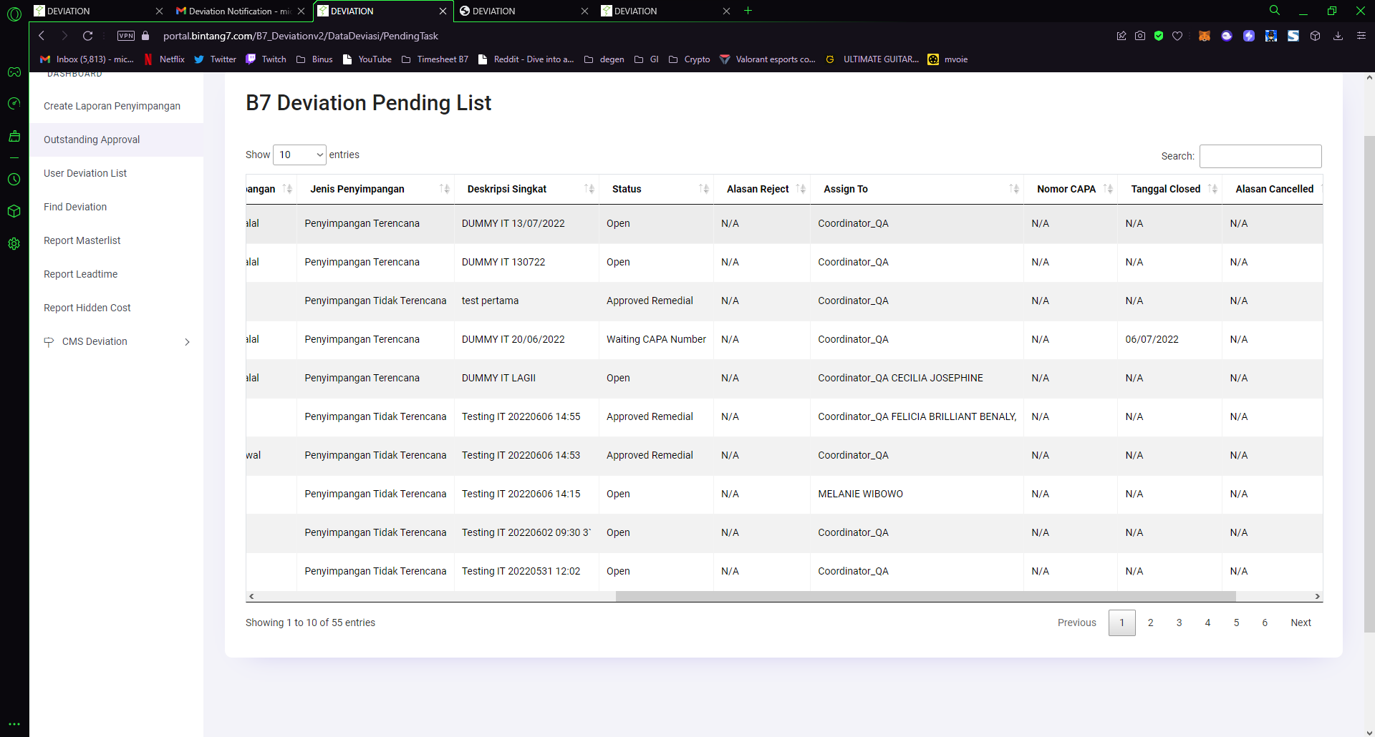
7 | Grouping ambil dari Spv Up (Spv, Spi, dan Mgr) | 6 | OKAY (Liat dri query nya) | 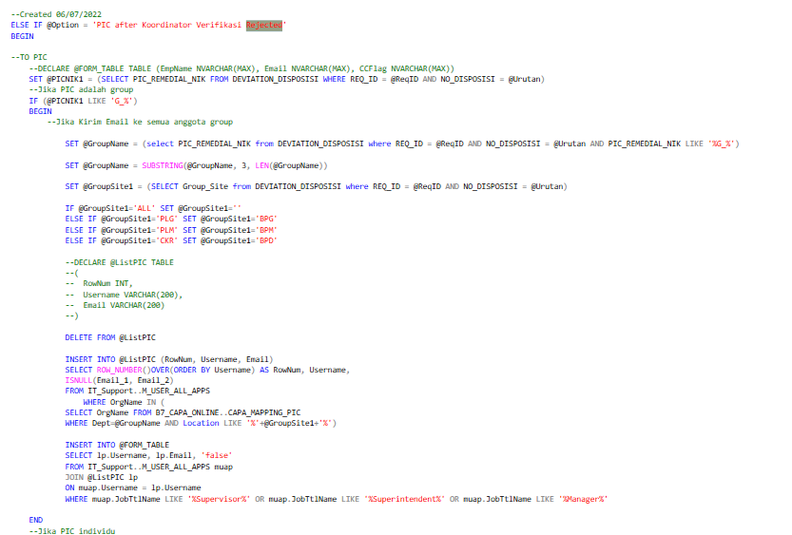
8 | Production assign grouping -> ada nama Spv up yang muncul -> minta daftarkan tanpa SR ke IT
9 | Supporting file di PIC tindakan remedial dibuat tidak mandatory (saat ini masih ada tanda bintang meskipun tetap bisa submit tanpa supporting document) | 1 | OKAY
10 | Pop up ada jeda di user -> ada solusi kah?
11 | Tampilan tabel (yang sudah terhitung) belum muncul di halaman PIC remedial sesaat sesudah input -> bag Quality Hidden Cost Diskusi per SIT, tampilan digantikan dengan kolom total manhours dan total testing cost | 9 | OKAY
12 | Usulan Tindakan Remedial (pada tabel) -> Disposisi Tindakan Remedial (spvpic, koordinator) | 2 | OKAY
13 | Group Processing Cost untuk Material, Quantity, dan Cost Material (tampilan PIC remedial) -> dihapus | 7 | OKAY
14 | Menu Find, Outstanding Approver tidak muncul (setelah direject koordinator) -> pada grup Spv
15 | Report Leadtime & Hidden Cost -> belum ada dropdown Site & bulan | 8 | OKAY (ddl departemen emg ada nama sitenya di belakang) | 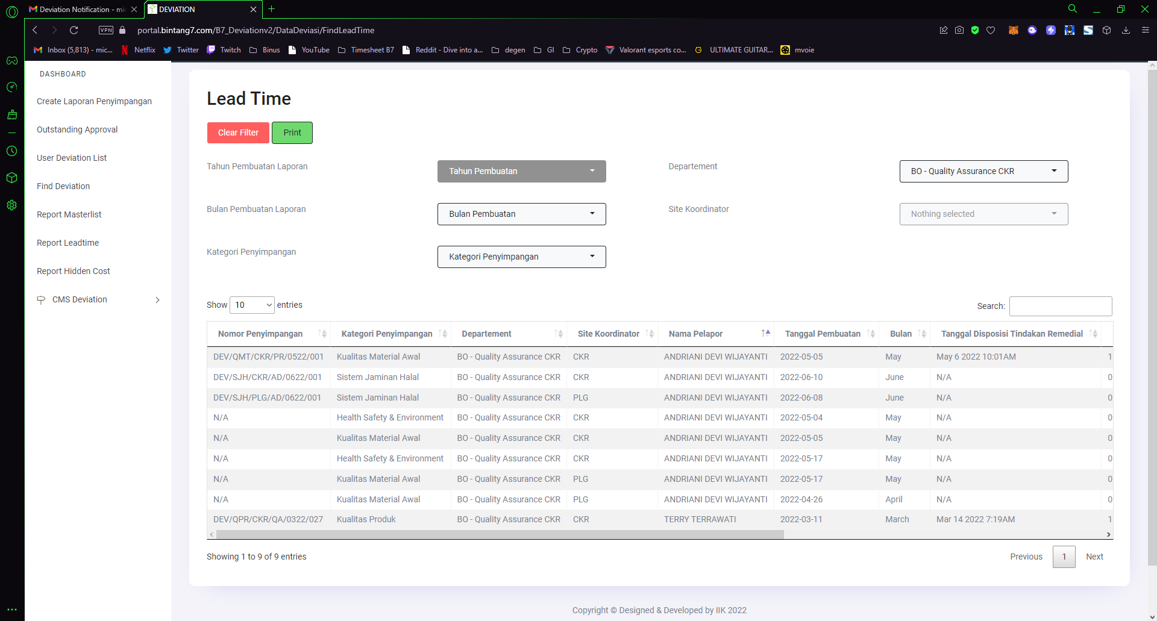 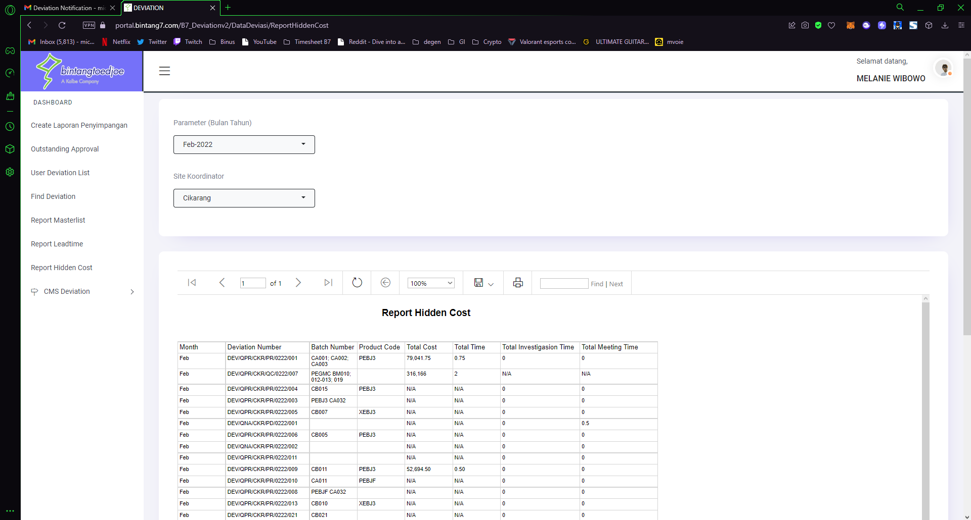
16 | Leadtime rumus berubah menjadi Tanggal Disposisi - Tanggal Generate |  | OKAY (Liat dri query nya)

 | Prioritas |  | OKAY
 | Tabel pending review (halaman reviewer) -> Tambahkan partial view detail penyimpangan di bawah tabel

